Travel Template
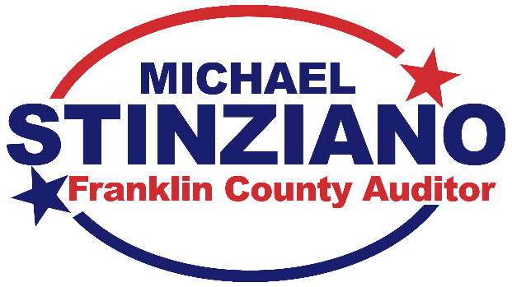

 |  |  | 373 S High St, Fl 21, Columbus OH 43215-6310 614.525.7354 www.FranklinCountyAuditor.com

EMPLOYEE REIMBURSEMENT REQUEST |  |  |  |  |  | Updated 3/2019

ALL PERTINENT DOCUMENTATION MUST BE ATTACHED SUCH AS AUTHORIZATION TO TRAVEL FORM, ITEMIZED RECEIPTS, DETAILED INVOICES, CONFERENCE BROCHURE, MAPQUEST OR GOOGLE MAP TO DOCUMENT MILEAGE, GSA PER DIEM RATES FOR DESTINATION CITY, OR GRADE REPORT FOR TUITION REIMBURSEMENT.

MUNIS Employee #: |  |  | Employee Name:
Purchase Order #:
Destination: |  |  | Purpose:
Travel Dates | From: | To:

TO BE COMPLETED BY EMPLOYEE AND AGENCY REVIEWER/APPROVER.
 |  | Completed by Employee |  | Completed by Authorized Personnel
 |  | Receipt Amounts OR Per Diem |  | Eligible for Reimbursement | Difference | Reason for Difference/Explanation for Other Expense

Registration Fee

Travel | Airfare
 | Mileage
 | Baggage
 | Ground Transportation
 | Car Rental
 | Gas for Rental Car
 | Airport Parking
 | Total Travel | $0.00

Lodging (Rate x Nights)

Meals per Day
Date | Breakfast
 | Lunch
 | Dinner
 | Daily Total | -
Date | Breakfast
 | Lunch
 | Dinner
 | Daily Total | -
Date | Breakfast
 | Lunch
 | Dinner
 | Daily Total | -
Date | Breakfast
 | Lunch
 | Dinner
 | Daily Total | -
Date | Breakfast
 | Lunch
 | Dinner
 | Daily Total | -
 | Meals Total | $0.00

Other Expenses (list individually & explain purpose)

 | Total Other Expenses | -

Grand Total |  | $0.00

EMPLOYEE SIGNATURE* |  |  | DATE
*Your signature certifies that the expenses listed on this request were incurred and are claimed in accordance with your agency's reimbursement policies.

AUTHORIZED BY** |  |  | DATE
**Your signature certifies that you have reviewed the expenses listed on this request for reasonableness, proper public purpose, and compliance with your agency's reimbursement policies.

